Worksheet
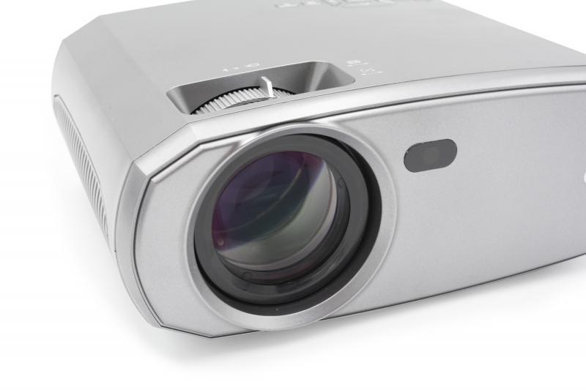
Technaxx FullHD 1080P Projector TX-177

Item number | 4971 |  | VE | 6
EAN | 4260358125114 |  | Pieces per pallet | 120
Customs number | 85286200 |  | Layers per pallet | 5
UPC | 810016320449
Dimensions - item
Length(inch) | Width(inch) | Height(inch) | Weight(oz)
9.25 | 7.32 | 3.66 | 47,48

Dimensions - item packaging
Length(inch) | Width(inch) | Height(inch) | Tare(oz) | Weight(oz) product + packaging
12.99 | 9.06 | 4.72 | 6,14 | 65,68

Dimensions - VE box (master box)
Length(inch) | Width(inch) | Height(inch) | Weight(oz)
15.16 | 13.58 | 19.09 | 440,92

Packaging - components
Rest of accessories (oz) | Paper / cardboard (oz) | Styrofoam (oz) | Plastic hollow body(oz) | Plastic. foils(oz) | Composite materials (oz)
7,44 | 2,89 | 1,62 | 0,00 | 0,35 | 0,00

Battery / accumulator informations
Battery needed | Battery included | Type of battery | Battery system(typus)
Yes | Yes | Micro-Batterie AAA | Li - Lithium- Batterie
Quantity(piece) | Weight per piece.(oz) | Energy density(WH/Kg) | Power (WH)
2 | 0,39 | 0 | 0

Lithium battery
Energy content | Weight (oz)
0 | 0,00

Further informations
Technaxx reseller portal

