Worksheet
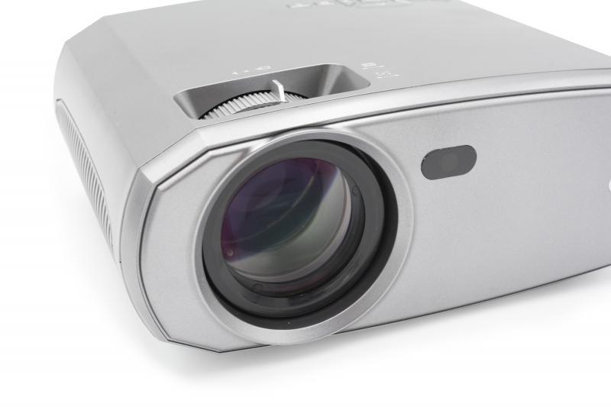
Technaxx FullHD 1080P Projector TX-177

Item number | 4971 |  | VE | 6
EAN | 4260358125114 |  | Pieces per pallet | 120
Customs number | 85286200 |  | Layers per pallet | 5

Dimensions - item
Length(cm) | Width(cm) | Height(cm) | Weight(g)
23.5 | 18.6 | 9.3 | 1346

Dimensions - item packaging
Length(cm) | Width(cm) | Height(cm) | Tare(g) | Weight(g) product + packaging
33 | 23 | 12 | 174 | 1862

Dimensions - VE box (master box)
Length(cm) | Width(cm) | Height(cm) | Weight(g)
38.5 | 34.5 | 48.5 | 12500

Packaging - components
Rest of accessories (g) | Paper / cardboard (g) | Styrofoam (g) | Plastic hollow body(g) | Plastic. foils(g) | Composite materials (g)
211 | 82 | 46 | 0 | 10 | 0

Battery / accumulator informations
Battery needed | Battery included | Type of battery | Battery system(typus)
Yes | Yes | Micro-Batterie AAA | Li - Lithium- Batterie
Quantity(piece) | Weight per piece.(g) | Energy density(WH/Kg) | Power (WH)
2 | 11 | 0 | 0

Lithium battery
Energy content | Weight (Kg)
0 | 0

Further informations
Technaxx reseller portal

