Worksheet
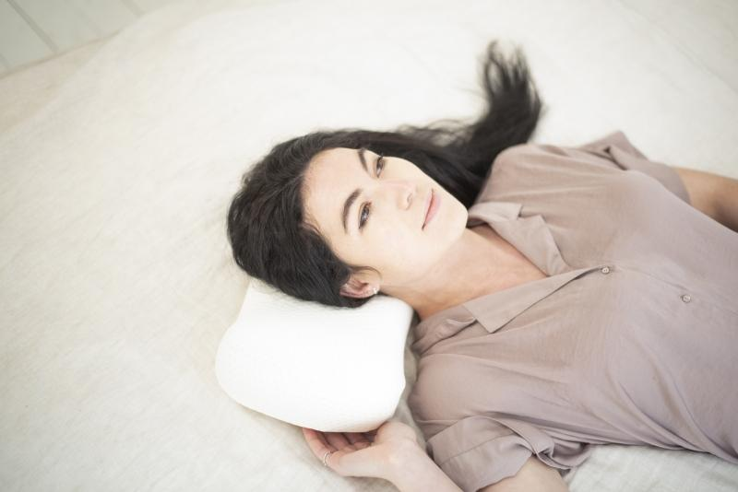
Lifenaxx ergonomic sleeping neck cushion LX-038

Item number | 4964 |  | VE | no information
EAN | 4260358128283 |  | Pieces per pallet | no information
Customs number | 94049090 |  | Layers per pallet | no information
UPC
Dimensions - item
Length(inch) | Width(inch) | Height(inch) | Weight(oz)
16.54 | 8.66 | 3.94 | 17,64

Dimensions - item packaging
Length(inch) | Width(inch) | Height(inch) | Tare(oz) | Weight(oz) product + packaging
19.69 | 14.17 | 3.94 | 0,00 | 19,40

Dimensions - VE box (master box)
Length(inch) | Width(inch) | Height(inch) | Weight(oz)
0 | 0 | 0 | 0,00

Packaging - components
Rest of accessories (oz) | Paper / cardboard (oz) | Styrofoam (oz) | Plastic hollow body(oz) | Plastic. foils(oz) | Composite materials (oz)
0,00 | 0,00 | 0,00 | 0,00 | 0,00 | 0,00

Further informations
Technaxx reseller portal

