Worksheet
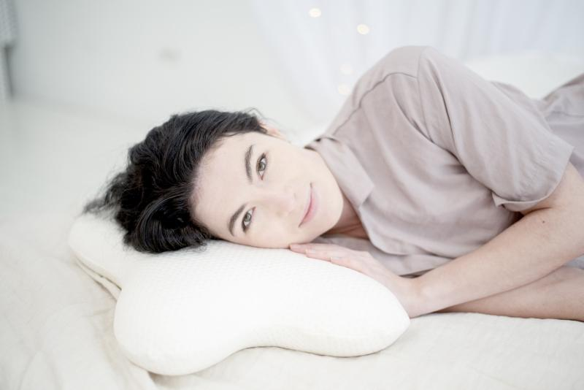
Lifenaxx Ergonomic Butterfly Cushion LX-036

Item number | 4962 |  | VE | 4
EAN | 4260358128269 |  | Pieces per pallet | no information
Customs number | 94049090 |  | Layers per pallet | no information

Dimensions - item
Length(cm) | Width(cm) | Height(cm) | Weight(g)
47 | 36 | 10 | 500

Dimensions - item packaging
Length(cm) | Width(cm) | Height(cm) | Tare(g) | Weight(g) product + packaging
50 | 36 | 10 | 0 | 550

Dimensions - VE box (master box)
Length(cm) | Width(cm) | Height(cm) | Weight(g)
0 | 0 | 0 | 0

Packaging - components
Rest of accessories (g) | Paper / cardboard (g) | Styrofoam (g) | Plastic hollow body(g) | Plastic. foils(g) | Composite materials (g)
0 | 0 | 0 | 0 | 0 | 0

Further informations
Technaxx reseller portal

