Worksheet
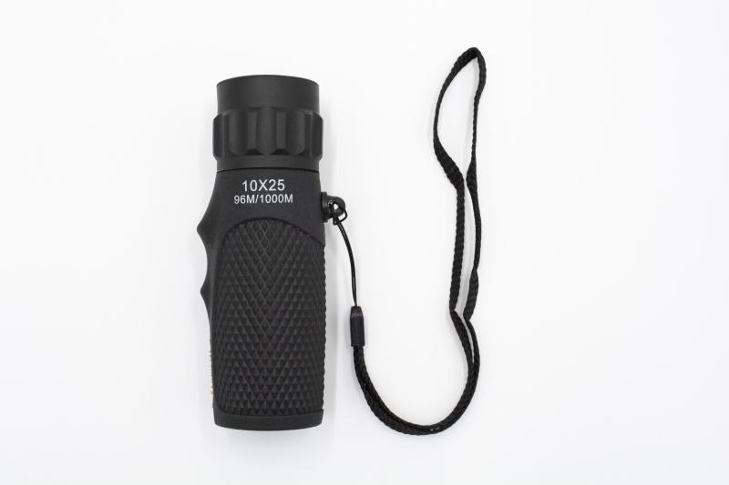
Technaxx Monocular 10x25 TX-176

Item number | 4956 |  | VE | 60
EAN | 4260358125046 |  | Pieces per pallet | 2160
Customs number | 90058000 |  | Layers per pallet | 6
UPC | 0
Dimensions - item
Length(inch) | Width(inch) | Height(inch) | Weight(oz)
4.25 | 1.26 | 1.26 | 2,86

Dimensions - item packaging
Length(inch) | Width(inch) | Height(inch) | Tare(oz) | Weight(oz) product + packaging
4.33 | 1.85 | 8.66 | 0,92 | 4,59

Dimensions - VE box (master box)
Length(inch) | Width(inch) | Height(inch) | Weight(oz)
14.57 | 13.78 | 10.43 | 275,14

Packaging - components
Rest of accessories (oz) | Paper / cardboard (oz) | Styrofoam (oz) | Plastic hollow body(oz) | Plastic. foils(oz) | Composite materials (oz)
3,49 | 0,21 | 0,00 | 0,00 | 0,00 | 0,00

Further informations
Technaxx reseller portal

