Worksheet
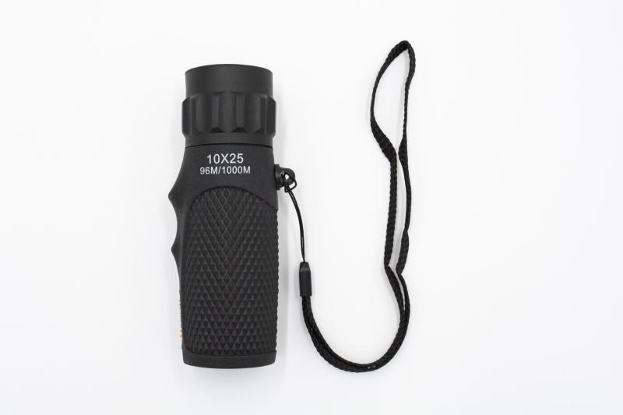
Technaxx Monocular 10x25 TX-176

Item number | 4956 |  | VE | 60
EAN | 4260358125046 |  | Pieces per pallet | 2160
Customs number | 90058000 |  | Layers per pallet | 6

Dimensions - item
Length(cm) | Width(cm) | Height(cm) | Weight(g)
10.8 | 3.2 | 3.2 | 81

Dimensions - item packaging
Length(cm) | Width(cm) | Height(cm) | Tare(g) | Weight(g) product + packaging
11 | 4.7 | 22 | 26 | 130

Dimensions - VE box (master box)
Length(cm) | Width(cm) | Height(cm) | Weight(g)
37 | 35 | 26.5 | 7800

Packaging - components
Rest of accessories (g) | Paper / cardboard (g) | Styrofoam (g) | Plastic hollow body(g) | Plastic. foils(g) | Composite materials (g)
99 | 6 | 0 | 0 | 0 | 0

Further informations
Technaxx reseller portal

