Worksheet
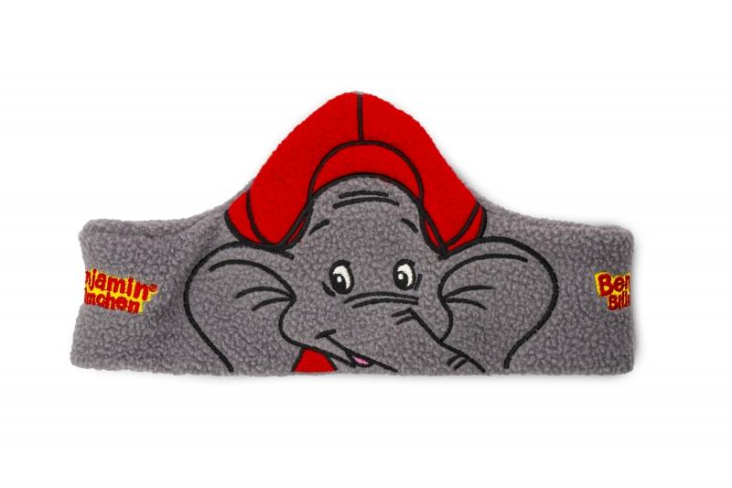
Item number | 4947 |  | VE | 250
EAN | 4260358124964 |  | Pieces per pallet | 1500
Customs number | 85183000 |  | Layers per pallet | 6

Dimensions - item
Length(cm) | Width(cm) | Height(cm) | Weight(g)
54 | 10 | 1 | 20

Dimensions - item packaging
Length(cm) | Width(cm) | Height(cm) | Tare(g) | Weight(g) product + packaging
23 | 19 | 3 | 10 | 30

Dimensions - VE box (master box)
Length(cm) | Width(cm) | Height(cm) | Weight(g)
62 | 49 | 46 | 16150

Packaging - components
Rest of accessories (g) | Paper / cardboard (g) | Styrofoam (g) | Plastic hollow body(g) | Plastic. foils(g) | Composite materials (g)
0 | 0 | 0 | 0 | 0 | 0

Further informations
Technaxx reseller portal

