Worksheet
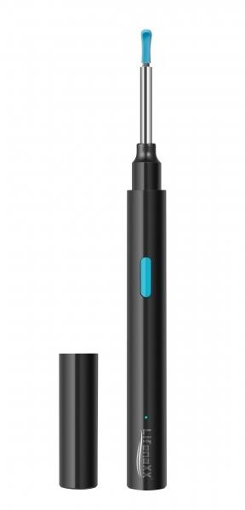
Lifenaxx WLAN Otoscope LX-032

Item number | 4945 |  | VE | 95
EAN | 4260358128177 |  | Pieces per pallet | 1520
Customs number | 85258900 |  | Layers per pallet | 5
UPC | 0
Dimensions - item
Length(inch) | Width(inch) | Height(inch) | Weight(oz)
5.51 | 0.51 | 0.51 | 0,60

Dimensions - item packaging
Length(inch) | Width(inch) | Height(inch) | Tare(oz) | Weight(oz) product + packaging
5.63 | 0.71 | 8.03 | 0,92 | 3,21

Dimensions - VE box (master box)
Length(inch) | Width(inch) | Height(inch) | Weight(oz)
20.67 | 18.9 | 10.71 | 333,69

Packaging - components
Rest of accessories (oz) | Paper / cardboard (oz) | Styrofoam (oz) | Plastic hollow body(oz) | Plastic. foils(oz) | Composite materials (oz)
0,25 | 0,49 | 0,00 | 0,88 | 0,00 | 0,00

Battery / accumulator informations
Battery needed | Battery included | Type of battery | Battery system(typus)
Yes | Yes | Akku | Li - Lithium- Batterie
Quantity(piece) | Weight per piece.(oz) | Energy density(WH/Kg) | Power (WH)
1 | 0,14 | 0 | 1.11

Lithium battery
Energy content | Weight (oz)
0.25 | 0,00

Further informations
Technaxx reseller portal

