Worksheet
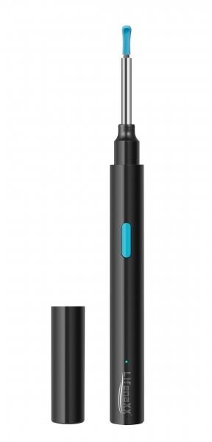
Lifenaxx WLAN Otoscope LX-032

Item number | 4945 |  | VE | 95
EAN | 4260358128177 |  | Pieces per pallet | 1520
Customs number | 85258900 |  | Layers per pallet | 5

Dimensions - item
Length(cm) | Width(cm) | Height(cm) | Weight(g)
14 | 1.3 | 1.3 | 17

Dimensions - item packaging
Length(cm) | Width(cm) | Height(cm) | Tare(g) | Weight(g) product + packaging
14.3 | 1.8 | 20.4 | 26 | 91

Dimensions - VE box (master box)
Length(cm) | Width(cm) | Height(cm) | Weight(g)
52.5 | 48 | 27.2 | 9460

Packaging - components
Rest of accessories (g) | Paper / cardboard (g) | Styrofoam (g) | Plastic hollow body(g) | Plastic. foils(g) | Composite materials (g)
7 | 14 | 0 | 25 | 0 | 0

Battery / accumulator informations
Battery needed | Battery included | Type of battery | Battery system(typus)
Yes | Yes | Akku | Li - Lithium- Batterie
Quantity(piece) | Weight per piece.(g) | Energy density(WH/Kg) | Power (WH)
1 | 4 | 0 | 1.11

Lithium battery
Energy content | Weight (Kg)
0.25 | 0

Further informations
Technaxx reseller portal

