Worksheet
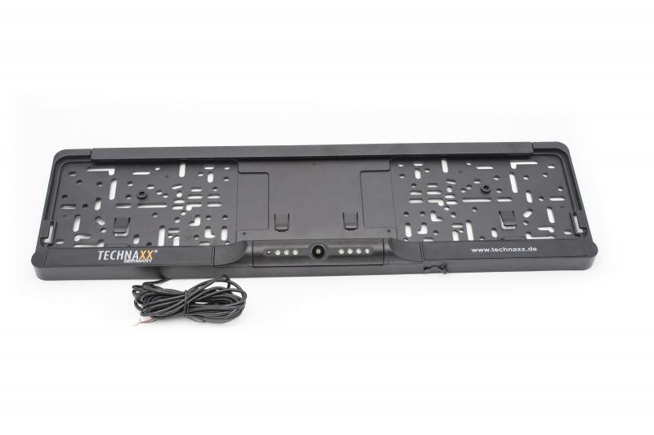
Technaxx Wireless Rear Camera System TX-170

Item number | 4943 |  | VE | 10
EAN | 4260358124568 |  | Pieces per pallet | 240
Customs number | 85258100 |  | Layers per pallet | 6
UPC
Dimensions - item
Length(inch) | Width(inch) | Height(inch) | Weight(oz)
20.83 | 5.91 | 1.38 | 19,75

Dimensions - item packaging
Length(inch) | Width(inch) | Height(inch) | Tare(oz) | Weight(oz) product + packaging
22.32 | 6.69 | 2.05 | 0,00 | 43,74

Dimensions - VE box (master box)
Length(inch) | Width(inch) | Height(inch) | Weight(oz)
22.44 | 10.83 | 13.39 | 462,09

Packaging - components
Rest of accessories (oz) | Paper / cardboard (oz) | Styrofoam (oz) | Plastic hollow body(oz) | Plastic. foils(oz) | Composite materials (oz)
0,00 | 0,00 | 0,00 | 0,00 | 0,00 | 0,00

Further informations
Technaxx reseller portal

