Worksheet
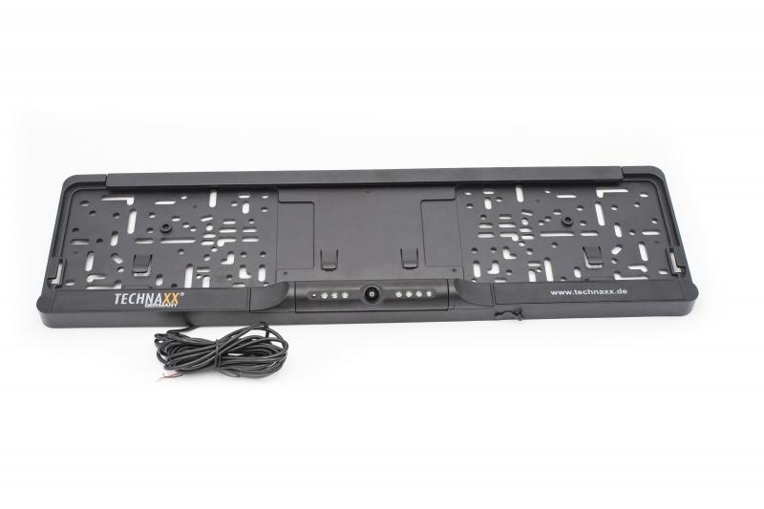
Technaxx Wireless Rear Camera System TX-170

Item number | 4943 |  | VE | 10
EAN | 4260358124568 |  | Pieces per pallet | 240
Customs number | 85258100 |  | Layers per pallet | 6

Dimensions - item
Length(cm) | Width(cm) | Height(cm) | Weight(g)
52.9 | 15 | 3.5 | 560

Dimensions - item packaging
Length(cm) | Width(cm) | Height(cm) | Tare(g) | Weight(g) product + packaging
56.7 | 17 | 5.2 | 0 | 1240

Dimensions - VE box (master box)
Length(cm) | Width(cm) | Height(cm) | Weight(g)
57 | 27.5 | 34 | 13100

Packaging - components
Rest of accessories (g) | Paper / cardboard (g) | Styrofoam (g) | Plastic hollow body(g) | Plastic. foils(g) | Composite materials (g)
0 | 0 | 0 | 0 | 0 | 0

Further informations
Technaxx reseller portal

