Worksheet
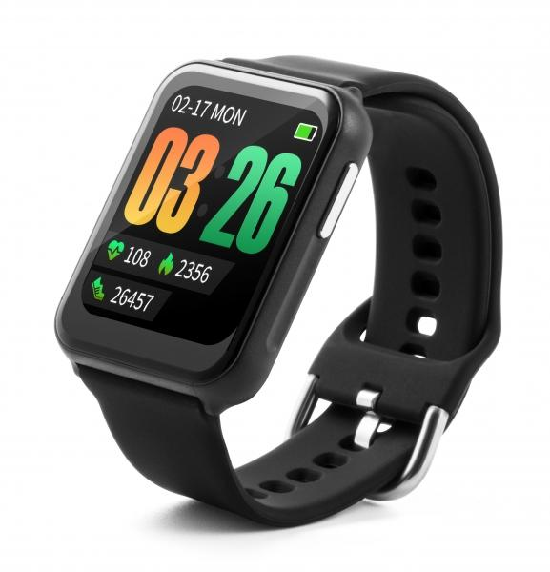
Technaxx Smartwatch TX-SW7HR

Item number | 4940 |  | VE | 50
EAN | 4260358124605 |  | Pieces per pallet | 2400
Customs number | 91021200 |  | Layers per pallet | 6
UPC | 0
Dimensions - item
Length(inch) | Width(inch) | Height(inch) | Weight(oz)
1.81 | 1.4 | 0.44 | 1,13

Dimensions - item packaging
Length(inch) | Width(inch) | Height(inch) | Tare(oz) | Weight(oz) product + packaging
2.68 | 2.05 | 4.8 | 1,27 | 3,60

Dimensions - VE box (master box)
Length(inch) | Width(inch) | Height(inch) | Weight(oz)
14.17 | 11.42 | 10.63 | 179,90

Packaging - components
Rest of accessories (oz) | Paper / cardboard (oz) | Styrofoam (oz) | Plastic hollow body(oz) | Plastic. foils(oz) | Composite materials (oz)
0,00 | 0,00 | 0,00 | 0,00 | 0,00 | 0,00

Battery / accumulator informations
Battery needed | Battery included | Type of battery | Battery system(typus)
No | Yes | Akku | Li-Ion - Lithium-Ionen-Akku
Quantity(piece) | Weight per piece.(oz) | Energy density(WH/Kg) | Power (WH)
1 | 0,14 | 200.85 | 0.7

Lithium battery
Energy content | Weight (oz)
0.2 | 0,12

Further informations
Technaxx reseller portal

