Worksheet
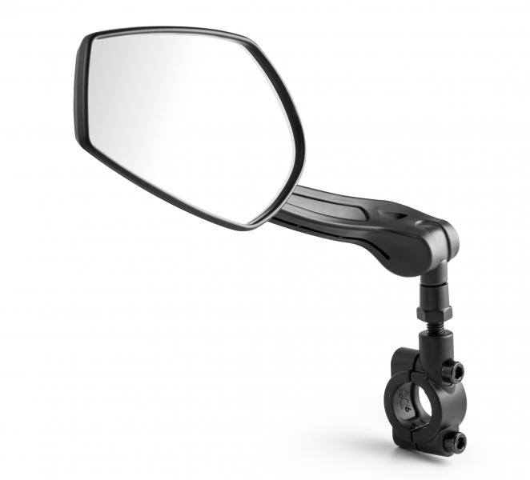
LX-031 Bicycle mirror left

Item number | 4935 |  | VE | 25
EAN | 4260358128191 |  | Pieces per pallet | no information
Customs number | 70091000 |  | Layers per pallet | no information
UPC | 0
Dimensions - item
Length(inch) | Width(inch) | Height(inch) | Weight(oz)
10.24 | 2.17 | 3.31 | 6,35

Dimensions - item packaging
Length(inch) | Width(inch) | Height(inch) | Tare(oz) | Weight(oz) product + packaging
10.43 | 2.17 | 3.74 | 0,00 | 6,70

Dimensions - VE box (master box)
Length(inch) | Width(inch) | Height(inch) | Weight(oz)
13.78 | 9.06 | 5.91 | 42,33

Packaging - components
Rest of accessories (oz) | Paper / cardboard (oz) | Styrofoam (oz) | Plastic hollow body(oz) | Plastic. foils(oz) | Composite materials (oz)
0,00 | 0,00 | 0,00 | 0,00 | 0,00 | 0,00

Further informations
Technaxx reseller portal

