Worksheet
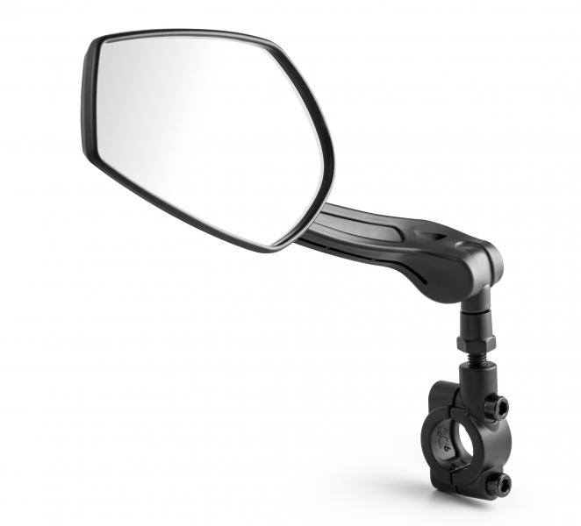
LX-031 Bicycle mirror left

Item number | 4935 |  | VE | 25
EAN | 4260358128191 |  | Pieces per pallet | no information
Customs number | 70091000 |  | Layers per pallet | no information

Dimensions - item
Length(cm) | Width(cm) | Height(cm) | Weight(g)
26 | 5.5 | 8.4 | 180

Dimensions - item packaging
Length(cm) | Width(cm) | Height(cm) | Tare(g) | Weight(g) product + packaging
26.5 | 5.5 | 9.5 | 0 | 190

Dimensions - VE box (master box)
Length(cm) | Width(cm) | Height(cm) | Weight(g)
35 | 23 | 15 | 1200

Packaging - components
Rest of accessories (g) | Paper / cardboard (g) | Styrofoam (g) | Plastic hollow body(g) | Plastic. foils(g) | Composite materials (g)
0 | 0 | 0 | 0 | 0 | 0

Further informations
Technaxx reseller portal

