Worksheet
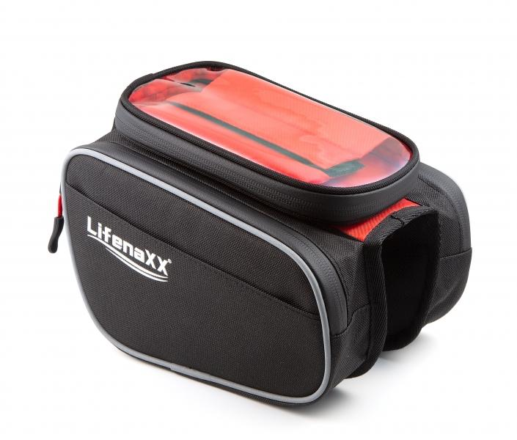
LX-029 Bicycle Bag

Item number | 4932 |  | VE | 25
EAN | 4260358128184 |  | Pieces per pallet | 660
Customs number | 42029211 |  | Layers per pallet | 11
UPC | 0
Dimensions - item
Length(inch) | Width(inch) | Height(inch) | Weight(oz)
7.87 | 7.09 | 6.69 | 9,17

Dimensions - item packaging
Length(inch) | Width(inch) | Height(inch) | Tare(oz) | Weight(oz) product + packaging
7.87 | 7.09 | 6.69 | 0,00 | 9,52

Dimensions - VE box (master box)
Length(inch) | Width(inch) | Height(inch) | Weight(oz)
13.78 | 9.06 | 5.91 | 45,86

Packaging - components
Rest of accessories (oz) | Paper / cardboard (oz) | Styrofoam (oz) | Plastic hollow body(oz) | Plastic. foils(oz) | Composite materials (oz)
0,00 | 0,00 | 0,00 | 0,00 | 0,00 | 0,00

Further informations
Technaxx reseller portal

