Worksheet
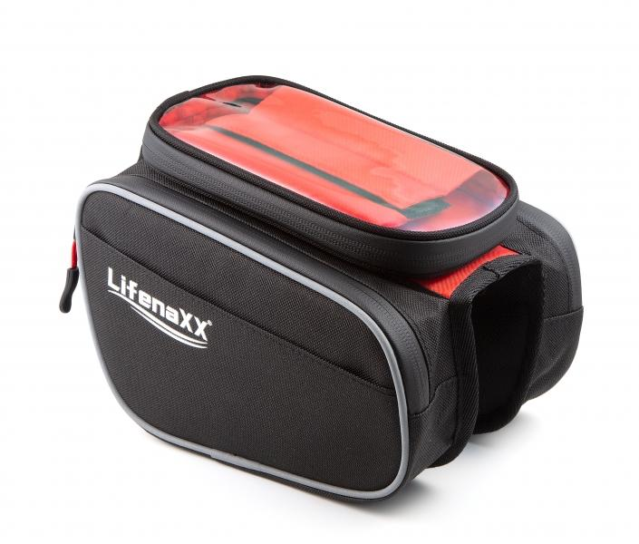
LX-029 Bicycle Bag

Item number | 4932 |  | VE | 25
EAN | 4260358128184 |  | Pieces per pallet | 660
Customs number | 42029211 |  | Layers per pallet | 11

Dimensions - item
Length(cm) | Width(cm) | Height(cm) | Weight(g)
20 | 18 | 17 | 260

Dimensions - item packaging
Length(cm) | Width(cm) | Height(cm) | Tare(g) | Weight(g) product + packaging
20 | 18 | 17 | 0 | 270

Dimensions - VE box (master box)
Length(cm) | Width(cm) | Height(cm) | Weight(g)
35 | 23 | 15 | 1300

Packaging - components
Rest of accessories (g) | Paper / cardboard (g) | Styrofoam (g) | Plastic hollow body(g) | Plastic. foils(g) | Composite materials (g)
0 | 0 | 0 | 0 | 0 | 0

Further informations
Technaxx reseller portal

