Worksheet
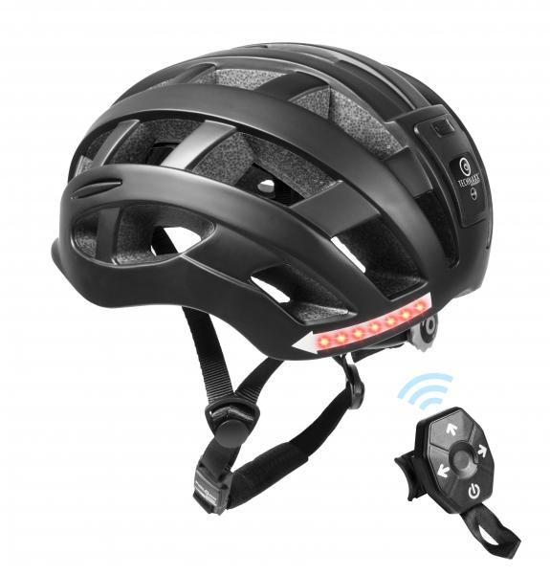
Bicycle Helmet with Light and Turn signal TX-161 Size M

Item number | 4929 |  | VE | 4
EAN | 4260358124889 |  | Pieces per pallet | 120
Customs number | 65061010 |  | Layers per pallet | 5
UPC
Dimensions - item
Length(inch) | Width(inch) | Height(inch) | Weight(oz)
10.63 | 8.66 | 5.91 | 11,29

Dimensions - item packaging
Length(inch) | Width(inch) | Height(inch) | Tare(oz) | Weight(oz) product + packaging
13.11 | 8.78 | 6.69 | 0,00 | 17,64

Dimensions - VE box (master box)
Length(inch) | Width(inch) | Height(inch) | Weight(oz)
14.17 | 18.5 | 13.78 | 77,60

Packaging - components
Rest of accessories (oz) | Paper / cardboard (oz) | Styrofoam (oz) | Plastic hollow body(oz) | Plastic. foils(oz) | Composite materials (oz)
0,00 | 0,00 | 0,00 | 0,00 | 0,00 | 0,00

Battery / accumulator informations
Battery needed | Battery included | Type of battery | Battery system(typus)
Yes | Yes | None | Li-Ion - Lithium-Ionen-Akku
Quantity(piece) | Weight per piece.(oz) | Energy density(WH/Kg) | Power (WH)
0 | 0,00 | 0 | 0

Lithium battery
Energy content | Weight (oz)
0 | 0,00

Further informations
Technaxx reseller portal

