Worksheet
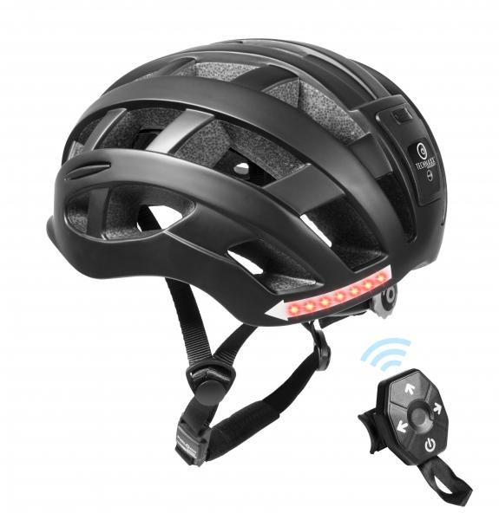
Bicycle Helmet with Light and Turn signal TX-161 Size M

Item number | 4929 |  | VE | 4
EAN | 4260358124889 |  | Pieces per pallet | 120
Customs number | 65061010 |  | Layers per pallet | 5

Dimensions - item
Length(cm) | Width(cm) | Height(cm) | Weight(g)
27 | 22 | 15 | 320

Dimensions - item packaging
Length(cm) | Width(cm) | Height(cm) | Tare(g) | Weight(g) product + packaging
33.3 | 22.3 | 17 | 0 | 500

Dimensions - VE box (master box)
Length(cm) | Width(cm) | Height(cm) | Weight(g)
36 | 47 | 35 | 2200

Packaging - components
Rest of accessories (g) | Paper / cardboard (g) | Styrofoam (g) | Plastic hollow body(g) | Plastic. foils(g) | Composite materials (g)
0 | 0 | 0 | 0 | 0 | 0

Battery / accumulator informations
Battery needed | Battery included | Type of battery | Battery system(typus)
Yes | Yes | None | Li-Ion - Lithium-Ionen-Akku
Quantity(piece) | Weight per piece.(g) | Energy density(WH/Kg) | Power (WH)
0 | 0 | 0 | 0

Lithium battery
Energy content | Weight (Kg)
0 | 0

Further informations
Technaxx reseller portal

