Worksheet
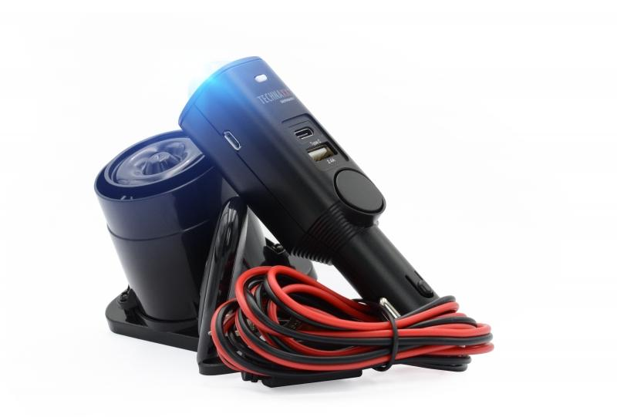
Technaxx Universal Car Alarm Pro TX-168

Item number | 4927 |  | VE | 20
EAN | 4260358124759 |  | Pieces per pallet | 720
Customs number | 85123010 |  | Layers per pallet | 4
UPC | 810016320418
Dimensions - item
Length(inch) | Width(inch) | Height(inch) | Weight(oz)
1.18 | 1.18 | 5.31 | 2,40

Dimensions - item packaging
Length(inch) | Width(inch) | Height(inch) | Tare(oz) | Weight(oz) product + packaging
4.33 | 2.95 | 7.48 | 2,05 | 11,18

Dimensions - VE box (master box)
Length(inch) | Width(inch) | Height(inch) | Weight(oz)
13.39 | 9.65 | 16.14 | 264,55

Packaging - components
Rest of accessories (oz) | Paper / cardboard (oz) | Styrofoam (oz) | Plastic hollow body(oz) | Plastic. foils(oz) | Composite materials (oz)
4,66 | 2,15 | 0,00 | 0,00 | 0,00 | 0,00

Battery / accumulator informations
Battery needed | Battery included | Type of battery | Battery system(typus)
No | Yes | Akku | LiPoly - Lithium-Polymer-Akku
Quantity(piece) | Weight per piece.(oz) | Energy density(WH/Kg) | Power (WH)
1 | 0,35 | 98.32 | 1.85

Lithium battery
Energy content | Weight (oz)
0.5 | 0,35

Further informations
Technaxx reseller portal

