Worksheet
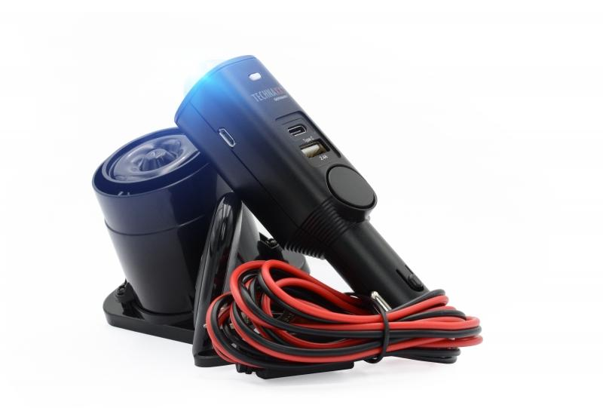
Technaxx Universal Car Alarm Pro TX-168

Item number | 4927 |  | VE | 20
EAN | 4260358124759 |  | Pieces per pallet | 720
Customs number | 85123010 |  | Layers per pallet | 4

Dimensions - item
Length(cm) | Width(cm) | Height(cm) | Weight(g)
3 | 3 | 13.5 | 68

Dimensions - item packaging
Length(cm) | Width(cm) | Height(cm) | Tare(g) | Weight(g) product + packaging
11 | 7.5 | 19 | 58 | 317

Dimensions - VE box (master box)
Length(cm) | Width(cm) | Height(cm) | Weight(g)
34 | 24.5 | 41 | 7500

Packaging - components
Rest of accessories (g) | Paper / cardboard (g) | Styrofoam (g) | Plastic hollow body(g) | Plastic. foils(g) | Composite materials (g)
132 | 61 | 0 | 0 | 0 | 0

Battery / accumulator informations
Battery needed | Battery included | Type of battery | Battery system(typus)
No | Yes | Akku | LiPoly - Lithium-Polymer-Akku
Quantity(piece) | Weight per piece.(g) | Energy density(WH/Kg) | Power (WH)
1 | 10 | 98.32 | 1.85

Lithium battery
Energy content | Weight (Kg)
0.5 | 10

Further informations
Technaxx reseller portal

