Worksheet
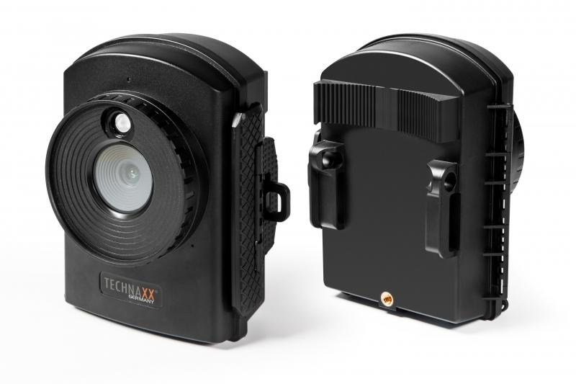
Technaxx Full HD Time Lapse Camera TX-164

Item number | 4922 |  | VE | 12
EAN | 4260358124193 |  | Pieces per pallet | 288
Customs number | 85258100 |  | Layers per pallet | 6
UPC | 810016320357
Dimensions - item
Length(inch) | Width(inch) | Height(inch) | Weight(oz)
4.72 | 3.15 | 5.51 | 11,36

Dimensions - item packaging
Length(inch) | Width(inch) | Height(inch) | Tare(oz) | Weight(oz) product + packaging
9.45 | 5.67 | 3.66 | 5,54 | 40,21

Dimensions - VE box (master box)
Length(inch) | Width(inch) | Height(inch) | Weight(oz)
19.69 | 12.05 | 11.81 | 501,60

Packaging - components
Rest of accessories (oz) | Paper / cardboard (oz) | Styrofoam (oz) | Plastic hollow body(oz) | Plastic. foils(oz) | Composite materials (oz)
10,09 | 3,49 | 0,00 | 0,00 | 0,28 | 0,00

Battery / accumulator informations
Battery needed | Battery included | Type of battery | Battery system(typus)
Yes | Yes | Mignon-Batterie AA | Al-Mn - Alkali-Batterie
Quantity(piece) | Weight per piece.(oz) | Energy density(WH/Kg) | Power (WH)
12 | 0,81 | 0 | 0

Lithium battery
Energy content | Weight (oz)
0 | 0,08

Further informations
Technaxx reseller portal

