Worksheet
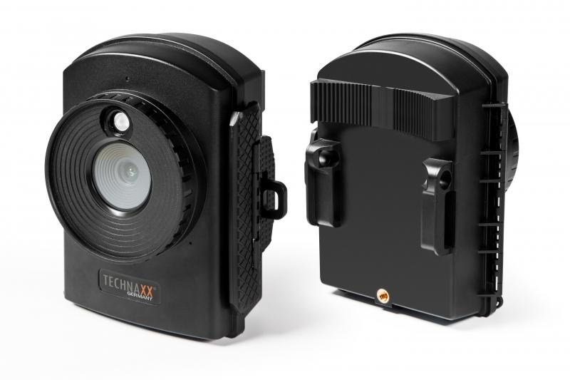
Technaxx Full HD Time Lapse Camera TX-164

Item number | 4922 |  | VE | 12
EAN | 4260358124193 |  | Pieces per pallet | 288
Customs number | 85258100 |  | Layers per pallet | 6

Dimensions - item
Length(cm) | Width(cm) | Height(cm) | Weight(g)
12 | 8 | 14 | 322

Dimensions - item packaging
Length(cm) | Width(cm) | Height(cm) | Tare(g) | Weight(g) product + packaging
24 | 14.4 | 9.3 | 157 | 1140

Dimensions - VE box (master box)
Length(cm) | Width(cm) | Height(cm) | Weight(g)
50 | 30.6 | 30 | 14220

Packaging - components
Rest of accessories (g) | Paper / cardboard (g) | Styrofoam (g) | Plastic hollow body(g) | Plastic. foils(g) | Composite materials (g)
286 | 99 | 0 | 0 | 8 | 0

Battery / accumulator informations
Battery needed | Battery included | Type of battery | Battery system(typus)
Yes | Yes | Mignon-Batterie AA | Al-Mn - Alkali-Batterie
Quantity(piece) | Weight per piece.(g) | Energy density(WH/Kg) | Power (WH)
12 | 23 | 0 | 0

Lithium battery
Energy content | Weight (Kg)
0 | 2.3

Further informations
Technaxx reseller portal

