Worksheet
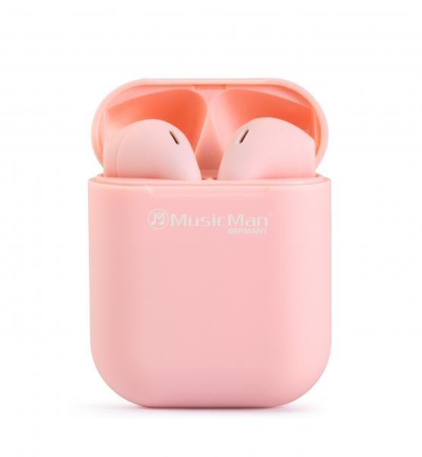
MusicMan Micro TWS Headphones BT-X57 pink

Item number | 4920 |  | VE | 100
EAN | 4260358124056 |  | Pieces per pallet | 3200
Customs number | 85183000 |  | Layers per pallet | 8
UPC
Dimensions - item
Length(inch) | Width(inch) | Height(inch) | Weight(oz)
1.65 | 0.83 | 2.09 | 1,06

Dimensions - item packaging
Length(inch) | Width(inch) | Height(inch) | Tare(oz) | Weight(oz) product + packaging
3.54 | 1.3 | 4.92 | 0,46 | 2,29

Dimensions - VE box (master box)
Length(inch) | Width(inch) | Height(inch) | Weight(oz)
18.7 | 14.96 | 7.48 | 249,74

Packaging - components
Rest of accessories (oz) | Paper / cardboard (oz) | Styrofoam (oz) | Plastic hollow body(oz) | Plastic. foils(oz) | Composite materials (oz)
0,32 | 0,35 | 0,00 | 0,18 | 0,00 | 0,00

Battery / accumulator informations
Battery needed | Battery included | Type of battery | Battery system(typus)
Yes | Yes | Akku | Li-Ion - Lithium-Ionen-Akku
Quantity(piece) | Weight per piece.(oz) | Energy density(WH/Kg) | Power (WH)
3 | 0,21 | 0 | 0

Lithium battery
Energy content | Weight (oz)
0 | 0,00

Further informations
Technaxx reseller portal

