Worksheet
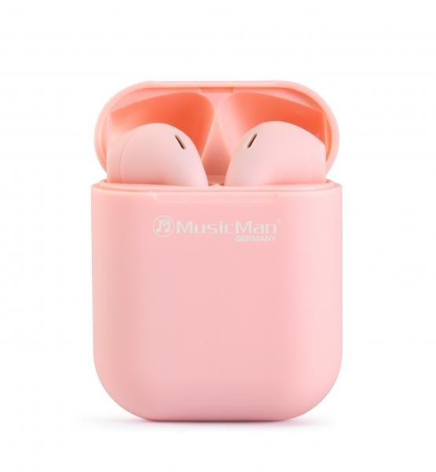
MusicMan Micro TWS Headphones BT-X57 pink

Item number | 4920 |  | VE | 100
EAN | 4260358124056 |  | Pieces per pallet | 3200
Customs number | 85183000 |  | Layers per pallet | 8

Dimensions - item
Length(cm) | Width(cm) | Height(cm) | Weight(g)
4.2 | 2.1 | 5.3 | 30

Dimensions - item packaging
Length(cm) | Width(cm) | Height(cm) | Tare(g) | Weight(g) product + packaging
9 | 3.3 | 12.5 | 13 | 65

Dimensions - VE box (master box)
Length(cm) | Width(cm) | Height(cm) | Weight(g)
47.5 | 38 | 19 | 7080

Packaging - components
Rest of accessories (g) | Paper / cardboard (g) | Styrofoam (g) | Plastic hollow body(g) | Plastic. foils(g) | Composite materials (g)
9 | 10 | 0 | 5 | 0 | 0

Battery / accumulator informations
Battery needed | Battery included | Type of battery | Battery system(typus)
Yes | Yes | Akku | Li-Ion - Lithium-Ionen-Akku
Quantity(piece) | Weight per piece.(g) | Energy density(WH/Kg) | Power (WH)
3 | 6 | 0 | 0

Lithium battery
Energy content | Weight (Kg)
0 | 0

Further informations
Technaxx reseller portal

