Worksheet
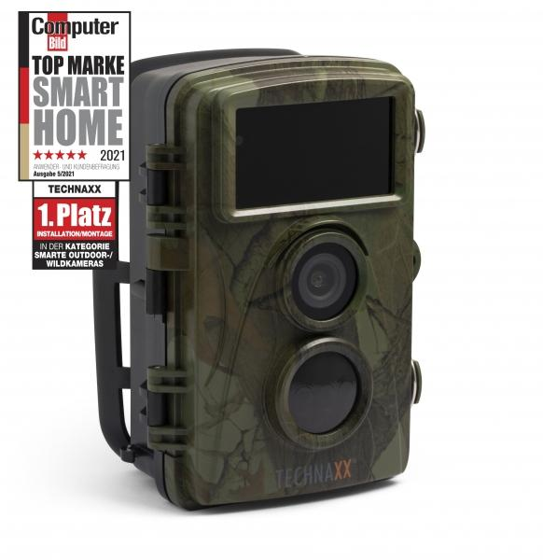
Technaxx Nature Wild Cam TX-160

Item number | 4913 |  | VE | 8
EAN | 4260358124186 |  | Pieces per pallet | 576
Customs number | 85258100 |  | Layers per pallet | 8
UPC | 810016320302
Dimensions - item
Length(inch) | Width(inch) | Height(inch) | Weight(oz)
3.54 | 2.83 | 5.35 | 10,76

Dimensions - item packaging
Length(inch) | Width(inch) | Height(inch) | Tare(oz) | Weight(oz) product + packaging
7.68 | 4.72 | 3.74 | 4,20 | 30,05

Dimensions - VE box (master box)
Length(inch) | Width(inch) | Height(inch) | Weight(oz)
16.02 | 10.12 | 8.46 | 282,19

Packaging - components
Rest of accessories (oz) | Paper / cardboard (oz) | Styrofoam (oz) | Plastic hollow body(oz) | Plastic. foils(oz) | Composite materials (oz)
12,42 | 2,54 | 0,00 | 0,00 | 0,18 | 0,00

Battery / accumulator informations
Battery needed | Battery included | Type of battery | Battery system(typus)
Yes | Yes | Mignon-Batterie AA | Al-Mn - Alkali-Batterie
Quantity(piece) | Weight per piece.(oz) | Energy density(WH/Kg) | Power (WH)
8 | 0,81 | 0 | 0

Lithium battery
Energy content | Weight (oz)
0 | 0,81

Further informations
Technaxx reseller portal

