Worksheet
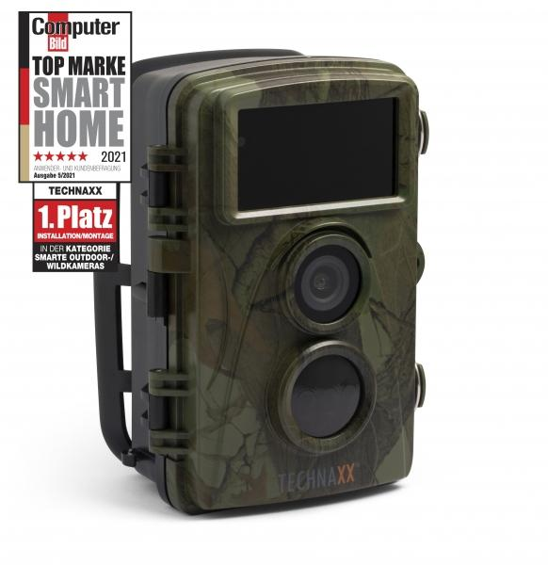
Technaxx Nature Wild Cam TX-160

Item number | 4913 |  | VE | 8
EAN | 4260358124186 |  | Pieces per pallet | 576
Customs number | 85258100 |  | Layers per pallet | 8

Dimensions - item
Length(cm) | Width(cm) | Height(cm) | Weight(g)
9 | 7.2 | 13.6 | 305

Dimensions - item packaging
Length(cm) | Width(cm) | Height(cm) | Tare(g) | Weight(g) product + packaging
19.5 | 12 | 9.5 | 119 | 852

Dimensions - VE box (master box)
Length(cm) | Width(cm) | Height(cm) | Weight(g)
40.7 | 25.7 | 21.5 | 8000

Packaging - components
Rest of accessories (g) | Paper / cardboard (g) | Styrofoam (g) | Plastic hollow body(g) | Plastic. foils(g) | Composite materials (g)
352 | 72 | 0 | 0 | 5 | 0

Battery / accumulator informations
Battery needed | Battery included | Type of battery | Battery system(typus)
Yes | Yes | Mignon-Batterie AA | Al-Mn - Alkali-Batterie
Quantity(piece) | Weight per piece.(g) | Energy density(WH/Kg) | Power (WH)
8 | 23 | 0 | 0

Lithium battery
Energy content | Weight (Kg)
0 | 23

Further informations
Technaxx reseller portal

