Worksheet
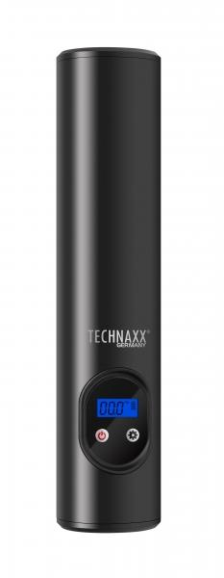
Technaxx Battery Air Compressor TX-157

Item number | 4906 |  | VE | 10
EAN | 4260358124711 |  | Pieces per pallet | 600
Customs number | 84148011 |  | Layers per pallet | 10
UPC | 0
Dimensions - item
Length(inch) | Width(inch) | Height(inch) | Weight(oz)
9.84 | 1.97 | 1.57 | 16,93

Dimensions - item packaging
Length(inch) | Width(inch) | Height(inch) | Tare(oz) | Weight(oz) product + packaging
11.42 | 3.31 | 3.15 | 2,33 | 28,57

Dimensions - VE box (master box)
Length(inch) | Width(inch) | Height(inch) | Weight(oz)
12.8 | 7.09 | 17.13 | 303,36

Packaging - components
Rest of accessories (oz) | Paper / cardboard (oz) | Styrofoam (oz) | Plastic hollow body(oz) | Plastic. foils(oz) | Composite materials (oz)
8,64 | 0,39 | 0,00 | 0,00 | 0,11 | 3,00

Battery / accumulator informations
Battery needed | Battery included | Type of battery | Battery system(typus)
Yes | Yes | Akku | Li-Ion - Lithium-Ionen-Akku
Quantity(piece) | Weight per piece.(oz) | Energy density(WH/Kg) | Power (WH)
1 | 5,29 | 0 | 44.4

Lithium battery
Energy content | Weight (oz)
6 | 5,29

Further informations
Technaxx reseller portal

