Worksheet
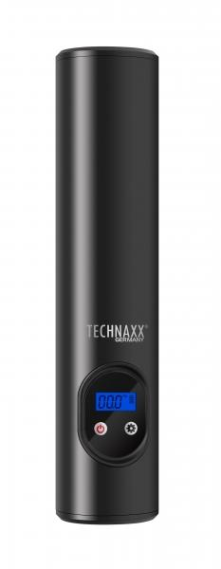
Technaxx Battery Air Compressor TX-157

Item number | 4906 |  | VE | 10
EAN | 4260358124711 |  | Pieces per pallet | 600
Customs number | 84148011 |  | Layers per pallet | 10

Dimensions - item
Length(cm) | Width(cm) | Height(cm) | Weight(g)
25 | 5 | 4 | 480

Dimensions - item packaging
Length(cm) | Width(cm) | Height(cm) | Tare(g) | Weight(g) product + packaging
29 | 8.4 | 8 | 66 | 810

Dimensions - VE box (master box)
Length(cm) | Width(cm) | Height(cm) | Weight(g)
32.5 | 18 | 43.5 | 8600

Packaging - components
Rest of accessories (g) | Paper / cardboard (g) | Styrofoam (g) | Plastic hollow body(g) | Plastic. foils(g) | Composite materials (g)
245 | 11 | 0 | 0 | 3 | 85

Battery / accumulator informations
Battery needed | Battery included | Type of battery | Battery system(typus)
Yes | Yes | Akku | Li-Ion - Lithium-Ionen-Akku
Quantity(piece) | Weight per piece.(g) | Energy density(WH/Kg) | Power (WH)
1 | 150 | 0 | 44.4

Lithium battery
Energy content | Weight (Kg)
6 | 150

Further informations
Technaxx reseller portal

