Worksheet
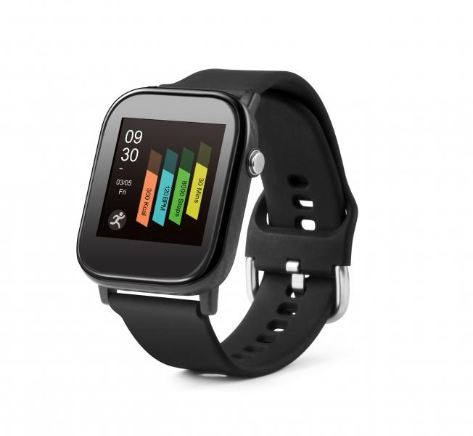
Technaxx Smartwatch with temperature measurement TX-SW6HR

Item number | 4905 |  | VE | 50
EAN | 4260358124285 |  | Pieces per pallet | 2400
Customs number | 91021200 |  | Layers per pallet | 6

Dimensions - item
Length(cm) | Width(cm) | Height(cm) | Weight(g)
4.2 | 3.7 | 1 | 32

Dimensions - item packaging
Length(cm) | Width(cm) | Height(cm) | Tare(g) | Weight(g) product + packaging
6.8 | 5.2 | 12.2 | 36 | 102

Dimensions - VE box (master box)
Length(cm) | Width(cm) | Height(cm) | Weight(g)
36 | 29 | 27 | 5000

Packaging - components
Rest of accessories (g) | Paper / cardboard (g) | Styrofoam (g) | Plastic hollow body(g) | Plastic. foils(g) | Composite materials (g)
13 | 21 | 0 | 0 | 0 | 0

Battery / accumulator informations
Battery needed | Battery included | Type of battery | Battery system(typus)
Yes | Yes | Akku | LiPoly - Lithium-Polymer-Akku
Quantity(piece) | Weight per piece.(g) | Energy density(WH/Kg) | Power (WH)
1 | 3 | 0 | 0

Lithium battery
Energy content | Weight (Kg)
0.19 | 3.7

Further informations
Technaxx reseller portal

