Worksheet
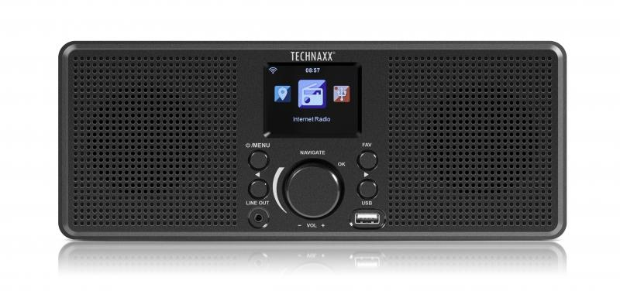
Technaxx Internet Stereo-Radio TX-153

Item number | 4900 |  | VE | 6
EAN | 4260358124698 |  | Pieces per pallet | 150
Customs number | 85279100 |  | Layers per pallet | 5
UPC | 0
Dimensions - item
Length(inch) | Width(inch) | Height(inch) | Weight(oz)
11.02 | 4.33 | 3.74 | 18,48

Dimensions - item packaging
Length(inch) | Width(inch) | Height(inch) | Tare(oz) | Weight(oz) product + packaging
13.78 | 5.2 | 5.51 | 5,40 | 30,97

Dimensions - VE box (master box)
Length(inch) | Width(inch) | Height(inch) | Weight(oz)
16.73 | 14.57 | 12.01 | 211,64

Packaging - components
Rest of accessories (oz) | Paper / cardboard (oz) | Styrofoam (oz) | Plastic hollow body(oz) | Plastic. foils(oz) | Composite materials (oz)
3,39 | 2,61 | 0,88 | 0,00 | 0,32 | 0,00

Further informations
Technaxx reseller portal

