Worksheet
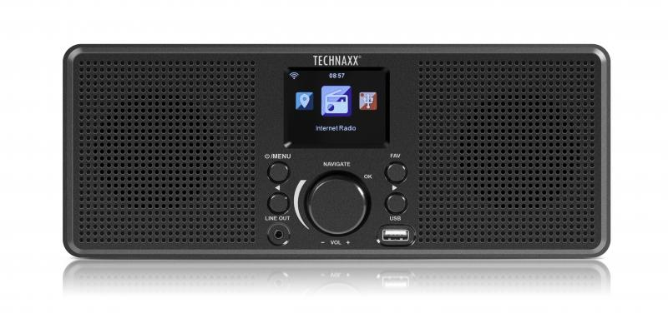
Technaxx Internet Stereo-Radio TX-153

Item number | 4900 |  | VE | 6
EAN | 4260358124698 |  | Pieces per pallet | 150
Customs number | 85279100 |  | Layers per pallet | 5

Dimensions - item
Length(cm) | Width(cm) | Height(cm) | Weight(g)
28 | 11 | 9.5 | 524

Dimensions - item packaging
Length(cm) | Width(cm) | Height(cm) | Tare(g) | Weight(g) product + packaging
35 | 13.2 | 14 | 153 | 878

Dimensions - VE box (master box)
Length(cm) | Width(cm) | Height(cm) | Weight(g)
42.5 | 37 | 30.5 | 6000

Packaging - components
Rest of accessories (g) | Paper / cardboard (g) | Styrofoam (g) | Plastic hollow body(g) | Plastic. foils(g) | Composite materials (g)
96 | 74 | 25 | 0 | 9 | 0

Further informations
Technaxx reseller portal

