Worksheet
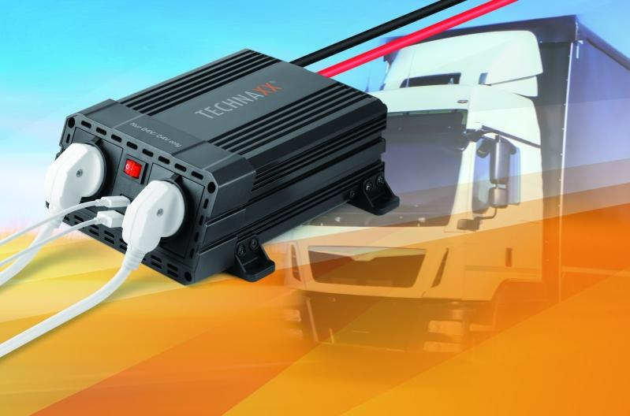
Power Inverter 600W TE19 24V

Item number | 4895 |  | VE | 6
EAN | 4260358124001 |  | Pieces per pallet | 180
Customs number | 85044085 |  | Layers per pallet | 6
UPC | 0
Dimensions - item
Length(inch) | Width(inch) | Height(inch) | Weight(oz)
7.87 | 6.3 | 2.83 | 40,92

Dimensions - item packaging
Length(inch) | Width(inch) | Height(inch) | Tare(oz) | Weight(oz) product + packaging
9.45 | 7.87 | 3.15 | 6,56 | 54,67

Dimensions - VE box (master box)
Length(inch) | Width(inch) | Height(inch) | Weight(oz)
16.14 | 10.24 | 10.63 | 317,47

Packaging - components
Rest of accessories (oz) | Paper / cardboard (oz) | Styrofoam (oz) | Plastic hollow body(oz) | Plastic. foils(oz) | Composite materials (oz)
3,00 | 4,23 | 0,00 | 0,00 | 0,00 | 0,00

Further informations
Technaxx reseller portal

