Worksheet
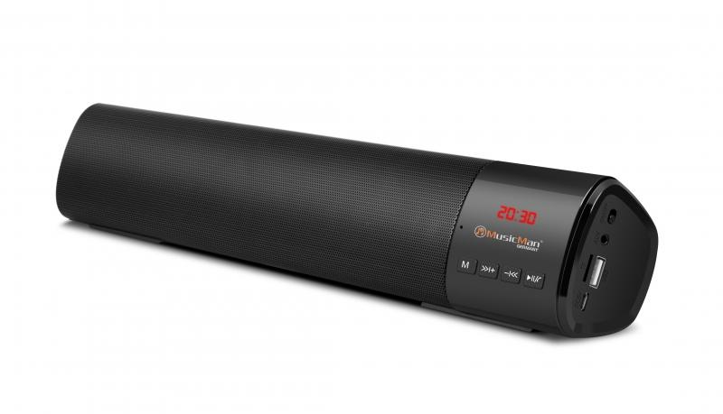
MusicMan Mini-Soundbar BT-X54 black

Item number | 4893 |  | VE | 20
EAN | 4260358123981 |  | Pieces per pallet | 550
Customs number | 85198100 |  | Layers per pallet | 5
UPC
Dimensions - item
Length(inch) | Width(inch) | Height(inch) | Weight(oz)
15.75 | 2.76 | 2.09 | 23,70

Dimensions - item packaging
Length(inch) | Width(inch) | Height(inch) | Tare(oz) | Weight(oz) product + packaging
16.54 | 3.15 | 2.64 | 4,02 | 28,92

Dimensions - VE box (master box)
Length(inch) | Width(inch) | Height(inch) | Weight(oz)
17.13 | 13.7 | 13.19 | 299,83

Packaging - components
Rest of accessories (oz) | Paper / cardboard (oz) | Styrofoam (oz) | Plastic hollow body(oz) | Plastic. foils(oz) | Composite materials (oz)
0,71 | 0,71 | 0,00 | 0,00 | 0,14 | 0,00

Battery / accumulator informations
Battery needed | Battery included | Type of battery | Battery system(typus)
Yes | Yes | Akku | Li-Ion - Lithium-Ionen-Akku
Quantity(piece) | Weight per piece.(oz) | Energy density(WH/Kg) | Power (WH)
1 | 3,17 | 0 | 0

Lithium battery
Energy content | Weight (oz)
1.8 | 0,32

Further informations
Technaxx reseller portal

