Worksheet
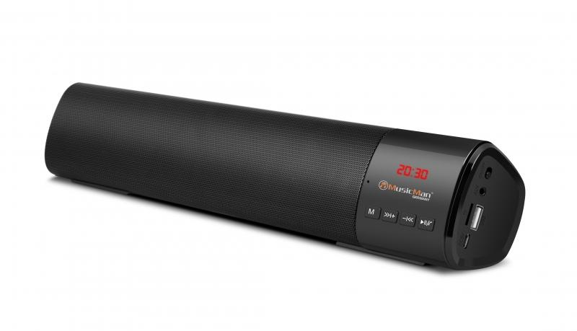
MusicMan Mini-Soundbar BT-X54 black

Item number | 4893 |  | VE | 20
EAN | 4260358123981 |  | Pieces per pallet | 550
Customs number | 85198100 |  | Layers per pallet | 5

Dimensions - item
Length(cm) | Width(cm) | Height(cm) | Weight(g)
40 | 7 | 5.3 | 672

Dimensions - item packaging
Length(cm) | Width(cm) | Height(cm) | Tare(g) | Weight(g) product + packaging
42 | 8 | 6.7 | 114 | 820

Dimensions - VE box (master box)
Length(cm) | Width(cm) | Height(cm) | Weight(g)
43.5 | 34.8 | 33.5 | 8500

Packaging - components
Rest of accessories (g) | Paper / cardboard (g) | Styrofoam (g) | Plastic hollow body(g) | Plastic. foils(g) | Composite materials (g)
20 | 20 | 0 | 0 | 4 | 0

Battery / accumulator informations
Battery needed | Battery included | Type of battery | Battery system(typus)
Yes | Yes | Akku | Li-Ion - Lithium-Ionen-Akku
Quantity(piece) | Weight per piece.(g) | Energy density(WH/Kg) | Power (WH)
1 | 90 | 0 | 0

Lithium battery
Energy content | Weight (Kg)
1.8 | 9

Further informations
Technaxx reseller portal

