Worksheet
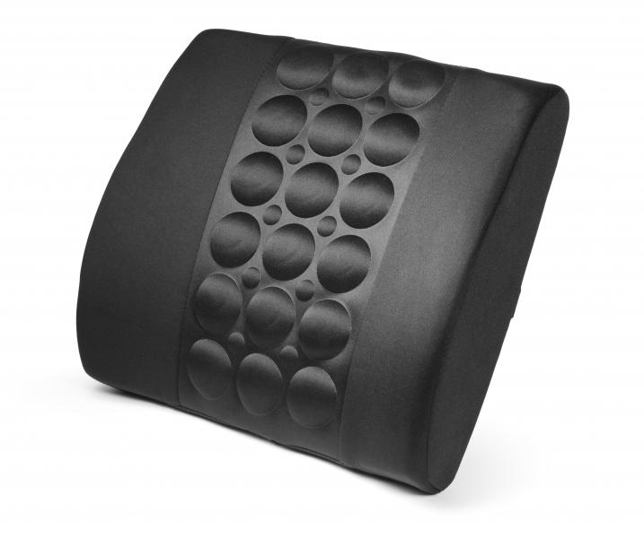
Lifenaxx ergonomic back cushion LX-022

Item number | 4891 |  | VE | 6
EAN | 4260358128122 |  | Pieces per pallet | no information
Customs number | 94049090 |  | Layers per pallet | no information
UPC | 0
Dimensions - item
Length(inch) | Width(inch) | Height(inch) | Weight(oz)
13.78 | 3.94 | 13.39 | 14,11

Dimensions - item packaging
Length(inch) | Width(inch) | Height(inch) | Tare(oz) | Weight(oz) product + packaging
13.78 | 3.94 | 13.39 | 0,00 | 15,87

Dimensions - VE box (master box)
Length(inch) | Width(inch) | Height(inch) | Weight(oz)
0 | 0 | 0 | 0,00

Packaging - components
Rest of accessories (oz) | Paper / cardboard (oz) | Styrofoam (oz) | Plastic hollow body(oz) | Plastic. foils(oz) | Composite materials (oz)
0,00 | 0,95 | 0,00 | 0,00 | 0,81 | 0,00

Further informations
Technaxx reseller portal

