Worksheet
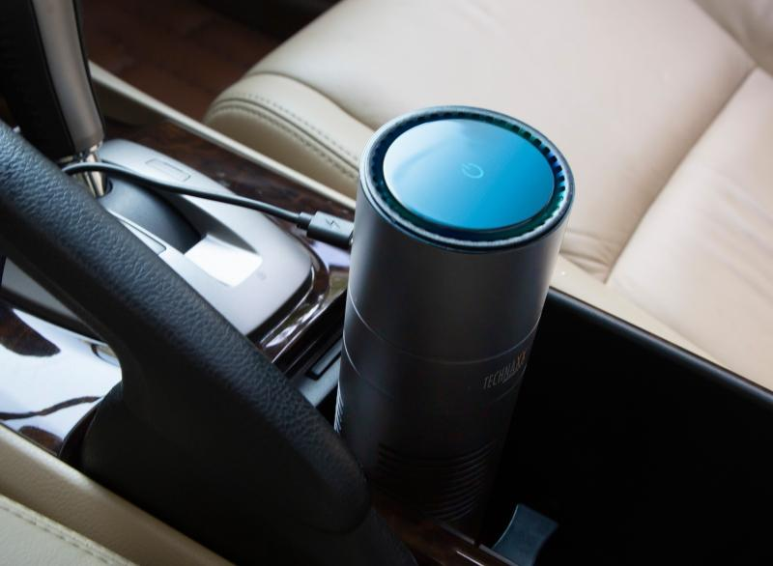
Technaxx USB-Air-Purifier TX-131+

Item number | 4888 |  | VE | 30
EAN | 4260358124438 |  | Pieces per pallet | 720
Customs number | 84213925 |  | Layers per pallet | 4
UPC | 0
Dimensions - item
Length(inch) | Width(inch) | Height(inch) | Weight(oz)
7.09 | 2.64 | 2.64 | 12,38

Dimensions - item packaging
Length(inch) | Width(inch) | Height(inch) | Tare(oz) | Weight(oz) product + packaging
7.68 | 3.54 | 3.35 | 5,89 | 20,04

Dimensions - VE box (master box)
Length(inch) | Width(inch) | Height(inch) | Weight(oz)
16.14 | 11.42 | 17.52 | 599,66

Packaging - components
Rest of accessories (oz) | Paper / cardboard (oz) | Styrofoam (oz) | Plastic hollow body(oz) | Plastic. foils(oz) | Composite materials (oz)
0,81 | 0,42 | 0,49 | 0,00 | 0,07 | 0,00

Further informations
Technaxx reseller portal

