Worksheet
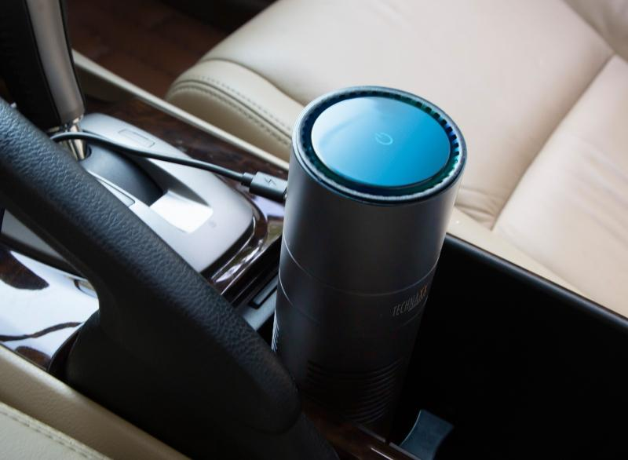
Technaxx USB-Air-Purifier TX-131+

Item number | 4888 |  | VE | 30
EAN | 4260358124438 |  | Pieces per pallet | 720
Customs number | 84213925 |  | Layers per pallet | 4

Dimensions - item
Length(cm) | Width(cm) | Height(cm) | Weight(g)
18 | 6.7 | 6.7 | 351

Dimensions - item packaging
Length(cm) | Width(cm) | Height(cm) | Tare(g) | Weight(g) product + packaging
19.5 | 9 | 8.5 | 167 | 568

Dimensions - VE box (master box)
Length(cm) | Width(cm) | Height(cm) | Weight(g)
41 | 29 | 44.5 | 17000

Packaging - components
Rest of accessories (g) | Paper / cardboard (g) | Styrofoam (g) | Plastic hollow body(g) | Plastic. foils(g) | Composite materials (g)
23 | 12 | 14 | 0 | 2 | 0

Further informations
Technaxx reseller portal

