Worksheet
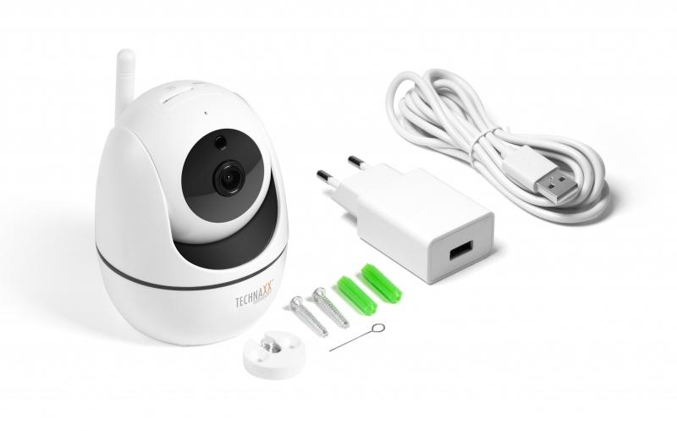
Technaxx FullHD WiFi IP PT Indoor Camera TX-146

Item number | 4882 |  | VE | 40
EAN | 4260358124124 |  | Pieces per pallet | 480
Customs number | 85258300 |  | Layers per pallet | 3
UPC
Dimensions - item
Length(inch) | Width(inch) | Height(inch) | Weight(oz)
2.95 | 3.15 | 3.94 | 6,70

Dimensions - item packaging
Length(inch) | Width(inch) | Height(inch) | Tare(oz) | Weight(oz) product + packaging
6.26 | 4.13 | 4.45 | 4,30 | 15,87

Dimensions - VE box (master box)
Length(inch) | Width(inch) | Height(inch) | Weight(oz)
21.65 | 12.8 | 18.5 | 694,90

Packaging - components
Rest of accessories (oz) | Paper / cardboard (oz) | Styrofoam (oz) | Plastic hollow body(oz) | Plastic. foils(oz) | Composite materials (oz)
3,17 | 1,66 | 0,00 | 0,00 | 0,04 | 0,00

Further informations
Technaxx reseller portal

