Worksheet
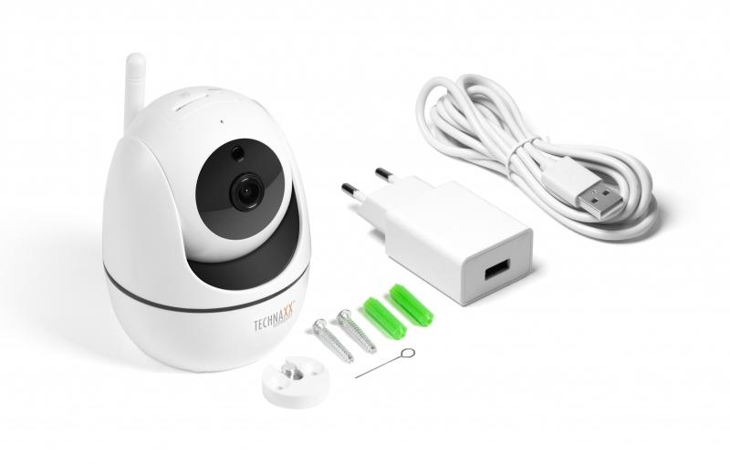
Technaxx FullHD WiFi IP PT Indoor Camera TX-146

Item number | 4882 |  | VE | 40
EAN | 4260358124124 |  | Pieces per pallet | 480
Customs number | 85258300 |  | Layers per pallet | 3

Dimensions - item
Length(cm) | Width(cm) | Height(cm) | Weight(g)
7.5 | 8 | 10 | 190

Dimensions - item packaging
Length(cm) | Width(cm) | Height(cm) | Tare(g) | Weight(g) product + packaging
15.9 | 10.5 | 11.3 | 122 | 450

Dimensions - VE box (master box)
Length(cm) | Width(cm) | Height(cm) | Weight(g)
55 | 32.5 | 47 | 19700

Packaging - components
Rest of accessories (g) | Paper / cardboard (g) | Styrofoam (g) | Plastic hollow body(g) | Plastic. foils(g) | Composite materials (g)
90 | 47 | 0 | 0 | 1 | 0

Further informations
Technaxx reseller portal

