Worksheet
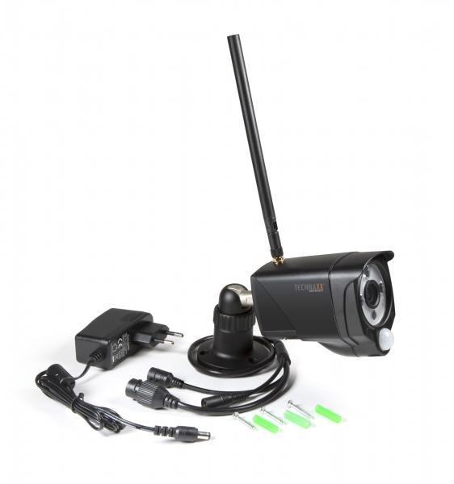
Technaxx WiFi IP Outdoor Camera TX-145

Item number | 4881 |  | VE | 25
EAN | 4260358124117 |  | Pieces per pallet | 450
Customs number | 85258300 |  | Layers per pallet | 6
UPC
Dimensions - item
Length(inch) | Width(inch) | Height(inch) | Weight(oz)
7.87 | 2.28 | 3.15 | 14,82

Dimensions - item packaging
Length(inch) | Width(inch) | Height(inch) | Tare(oz) | Weight(oz) product + packaging
9.25 | 3.82 | 3.15 | 3,49 | 23,63

Dimensions - VE box (master box)
Length(inch) | Width(inch) | Height(inch) | Weight(oz)
19.69 | 9.65 | 16.93 | 567,91

Packaging - components
Rest of accessories (oz) | Paper / cardboard (oz) | Styrofoam (oz) | Plastic hollow body(oz) | Plastic. foils(oz) | Composite materials (oz)
3,70 | 1,66 | 0,14 | 0,00 | 0,18 | 0,00

Further informations
Technaxx reseller portal

