Worksheet
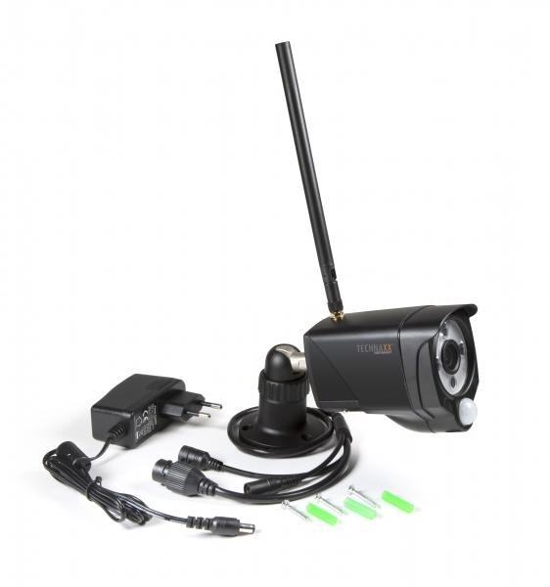
Technaxx WiFi IP Outdoor Camera TX-145

Item number | 4881 |  | VE | 25
EAN | 4260358124117 |  | Pieces per pallet | 450
Customs number | 85258300 |  | Layers per pallet | 6

Dimensions - item
Length(cm) | Width(cm) | Height(cm) | Weight(g)
20 | 5.8 | 8 | 420

Dimensions - item packaging
Length(cm) | Width(cm) | Height(cm) | Tare(g) | Weight(g) product + packaging
23.5 | 9.7 | 8 | 99 | 670

Dimensions - VE box (master box)
Length(cm) | Width(cm) | Height(cm) | Weight(g)
50 | 24.5 | 43 | 16100

Packaging - components
Rest of accessories (g) | Paper / cardboard (g) | Styrofoam (g) | Plastic hollow body(g) | Plastic. foils(g) | Composite materials (g)
105 | 47 | 4 | 0 | 5 | 0

Further informations
Technaxx reseller portal

