Worksheet
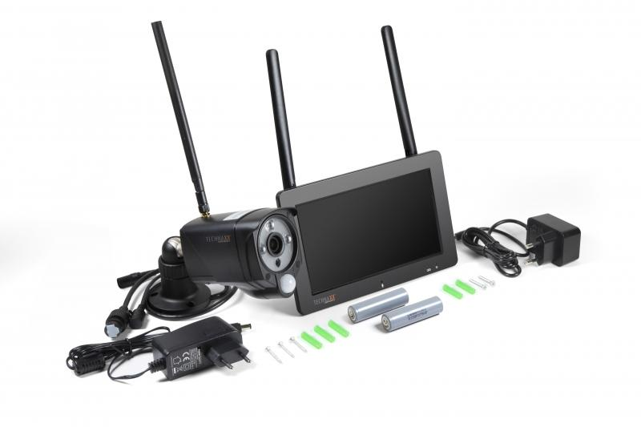
Technaxx Security Camera Set TX-128 with Touch Screen

Item number | 4880 |  | VE | 10
EAN | 4260358124100 |  | Pieces per pallet | 180
Customs number | 85258100 |  | Layers per pallet | 6
UPC
Dimensions - item
Length(inch) | Width(inch) | Height(inch) | Weight(oz)
7.52 | 4.84 | 1.26 | 42,33

Dimensions - item packaging
Length(inch) | Width(inch) | Height(inch) | Tare(oz) | Weight(oz) product + packaging
9.45 | 4.13 | 10.24 | 14,60 | 59,97

Dimensions - VE box (master box)
Length(inch) | Width(inch) | Height(inch) | Weight(oz)
21.65 | 19.29 | 11.02 | 578,49

Packaging - components
Rest of accessories (oz) | Paper / cardboard (oz) | Styrofoam (oz) | Plastic hollow body(oz) | Plastic. foils(oz) | Composite materials (oz)
9,98 | 2,82 | 1,16 | 0,00 | 0,53 | 0,00

Battery / accumulator informations
Battery needed | Battery included | Type of battery | Battery system(typus)
Optional | Yes | Akku | Li-Ion - Lithium-Ionen-Akku
Quantity(piece) | Weight per piece.(oz) | Energy density(WH/Kg) | Power (WH)
2 | 1,66 | 204.68 | 9.62

Lithium battery
Energy content | Weight (oz)
0 | 1,66

Further informations
Technaxx reseller portal

