Worksheet
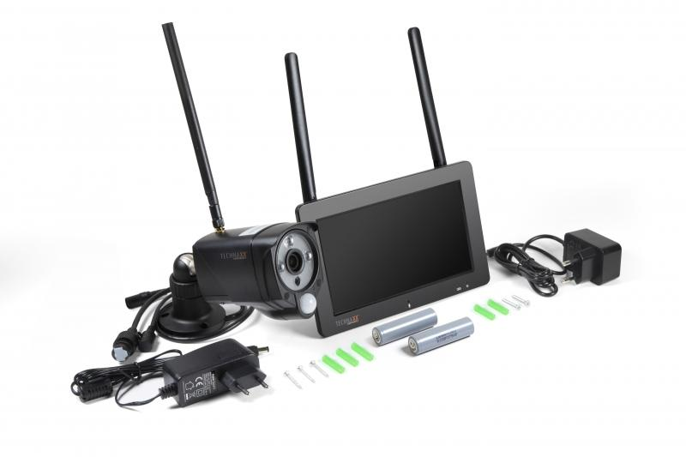
Technaxx Security Camera Set TX-128 with Touch Screen

Item number | 4880 |  | VE | 10
EAN | 4260358124100 |  | Pieces per pallet | 180
Customs number | 85258100 |  | Layers per pallet | 6

Dimensions - item
Length(cm) | Width(cm) | Height(cm) | Weight(g)
19.1 | 12.3 | 3.2 | 1200

Dimensions - item packaging
Length(cm) | Width(cm) | Height(cm) | Tare(g) | Weight(g) product + packaging
24 | 10.5 | 26 | 414 | 1700

Dimensions - VE box (master box)
Length(cm) | Width(cm) | Height(cm) | Weight(g)
55 | 49 | 28 | 16400

Packaging - components
Rest of accessories (g) | Paper / cardboard (g) | Styrofoam (g) | Plastic hollow body(g) | Plastic. foils(g) | Composite materials (g)
283 | 80 | 33 | 0 | 15 | 0

Battery / accumulator informations
Battery needed | Battery included | Type of battery | Battery system(typus)
Optional | Yes | Akku | Li-Ion - Lithium-Ionen-Akku
Quantity(piece) | Weight per piece.(g) | Energy density(WH/Kg) | Power (WH)
2 | 47 | 204.68 | 9.62

Lithium battery
Energy content | Weight (Kg)
0 | 47

Further informations
Technaxx reseller portal

