Worksheet
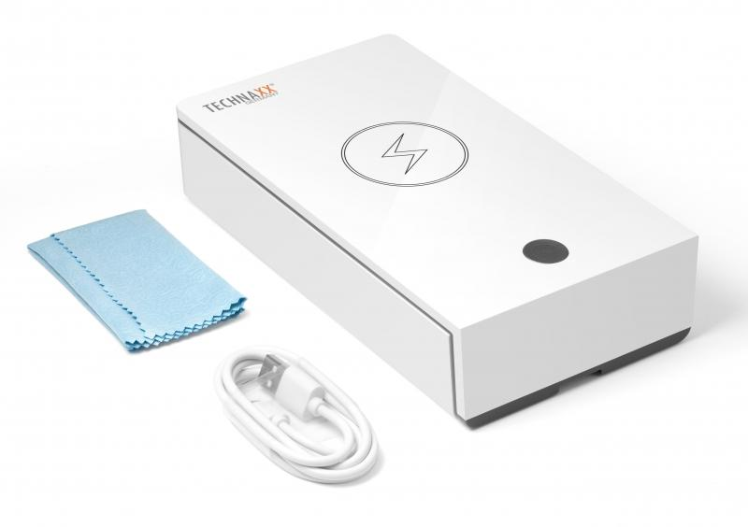
Technaxx UV Anti-Virus Disinfection Box TX-148

Item number | 4875 |  | VE | 30
EAN | 4260358124667 |  | Pieces per pallet | 720
Customs number | 85044083 |  | Layers per pallet | 3
UPC | 810016320296
Dimensions - item
Length(inch) | Width(inch) | Height(inch) | Weight(oz)
7.76 | 4.33 | 1.81 | 11,64

Dimensions - item packaging
Length(inch) | Width(inch) | Height(inch) | Tare(oz) | Weight(oz) product + packaging
9.06 | 4.53 | 1.97 | 2,01 | 14,82

Dimensions - VE box (master box)
Length(inch) | Width(inch) | Height(inch) | Weight(oz)
18.9 | 14.17 | 11.61 | 479,73

Packaging - components
Rest of accessories (oz) | Paper / cardboard (oz) | Styrofoam (oz) | Plastic hollow body(oz) | Plastic. foils(oz) | Composite materials (oz)
1,06 | 0,88 | 0,00 | 0,00 | 0,04 | 0,00

Further informations
Technaxx reseller portal

