Worksheet
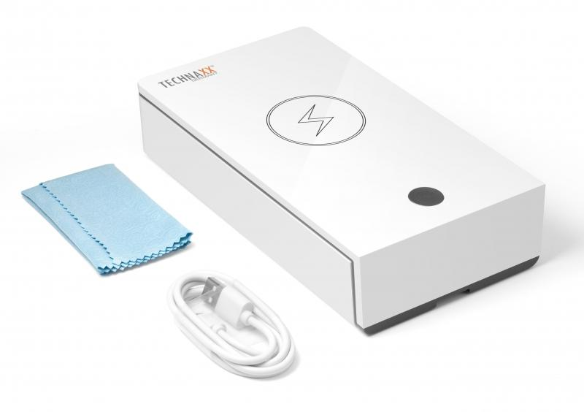
Technaxx UV Anti-Virus Disinfection Box TX-148

Item number | 4875 |  | VE | 30
EAN | 4260358124667 |  | Pieces per pallet | 720
Customs number | 85044083 |  | Layers per pallet | 3

Dimensions - item
Length(cm) | Width(cm) | Height(cm) | Weight(g)
19.7 | 11 | 4.6 | 330

Dimensions - item packaging
Length(cm) | Width(cm) | Height(cm) | Tare(g) | Weight(g) product + packaging
23 | 11.5 | 5 | 57 | 420

Dimensions - VE box (master box)
Length(cm) | Width(cm) | Height(cm) | Weight(g)
48 | 36 | 29.5 | 13600

Packaging - components
Rest of accessories (g) | Paper / cardboard (g) | Styrofoam (g) | Plastic hollow body(g) | Plastic. foils(g) | Composite materials (g)
30 | 25 | 0 | 0 | 1 | 0

Further informations
Technaxx reseller portal

