Worksheet
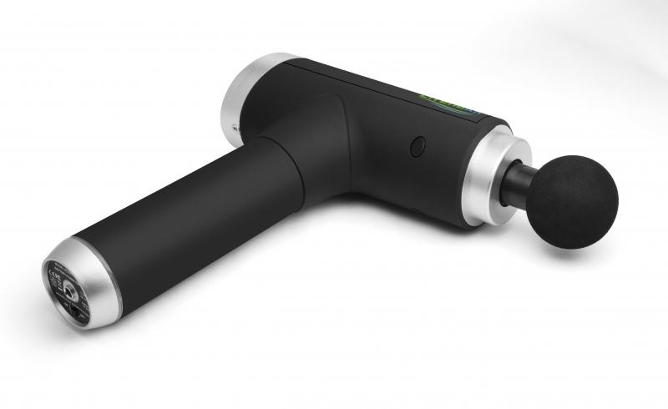
Lifenaxx Muscle massager compact LX-013

Item number | 4874 |  | VE | 7
EAN | 4260358128054 |  | Pieces per pallet | 200
Customs number | 90191010 |  | Layers per pallet | 4
UPC | 0
Dimensions - item
Length(inch) | Width(inch) | Height(inch) | Weight(oz)
3.54 | 6.3 | 1.97 | 26,81

Dimensions - item packaging
Length(inch) | Width(inch) | Height(inch) | Tare(oz) | Weight(oz) product + packaging
13.39 | 9.65 | 3.94 | 6,00 | 54,32

Dimensions - VE box (master box)
Length(inch) | Width(inch) | Height(inch) | Weight(oz)
17.91 | 13.58 | 18.11 | 423,29

Packaging - components
Rest of accessories (oz) | Paper / cardboard (oz) | Styrofoam (oz) | Plastic hollow body(oz) | Plastic. foils(oz) | Composite materials (oz)
2,68 | 0,99 | 1,48 | 0,00 | 0,11 | 0,00

Battery / accumulator informations
Battery needed | Battery included | Type of battery | Battery system(typus)
Yes | Yes | Akku | Li-Ion - Lithium-Ionen-Akku
Quantity(piece) | Weight per piece.(oz) | Energy density(WH/Kg) | Power (WH)
1 | 5,40 | 0 | 0

Lithium battery
Energy content | Weight (oz)
1.5 | 5,40

Further informations
Technaxx reseller portal

