Worksheet
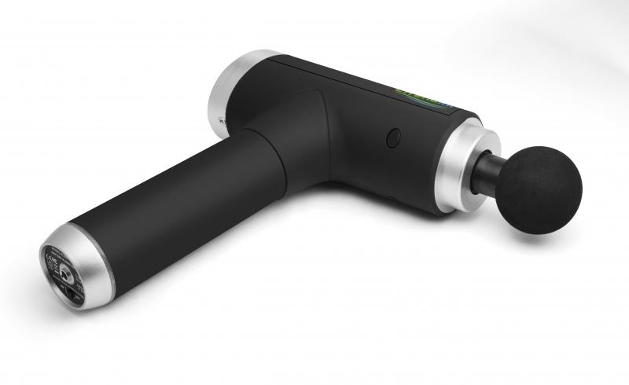
Lifenaxx Muscle massager compact LX-013

Item number | 4874 |  | VE | 7
EAN | 4260358128054 |  | Pieces per pallet | 200
Customs number | 90191010 |  | Layers per pallet | 4

Dimensions - item
Length(cm) | Width(cm) | Height(cm) | Weight(g)
9 | 16 | 5 | 760

Dimensions - item packaging
Length(cm) | Width(cm) | Height(cm) | Tare(g) | Weight(g) product + packaging
34 | 24.5 | 10 | 170 | 1540

Dimensions - VE box (master box)
Length(cm) | Width(cm) | Height(cm) | Weight(g)
45.5 | 34.5 | 46 | 12000

Packaging - components
Rest of accessories (g) | Paper / cardboard (g) | Styrofoam (g) | Plastic hollow body(g) | Plastic. foils(g) | Composite materials (g)
76 | 28 | 42 | 0 | 3 | 0

Battery / accumulator informations
Battery needed | Battery included | Type of battery | Battery system(typus)
Yes | Yes | Akku | Li-Ion - Lithium-Ionen-Akku
Quantity(piece) | Weight per piece.(g) | Energy density(WH/Kg) | Power (WH)
1 | 153 | 0 | 0

Lithium battery
Energy content | Weight (Kg)
1.5 | 153

Further informations
Technaxx reseller portal

