Worksheet
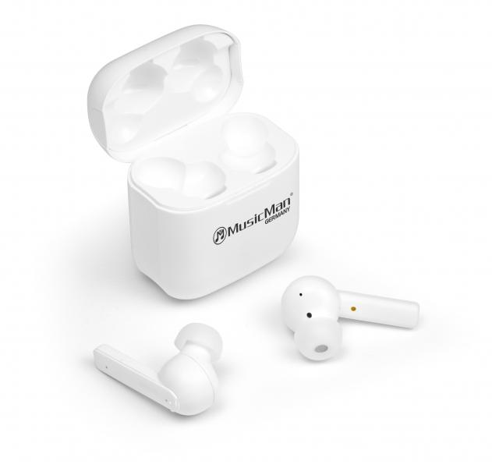
MusicMan ANC-TWS Bluetooth In-Ear Headphones BT-X52

Item number | 4871 |  | VE | 25
EAN | 4260358123943 |  | Pieces per pallet | 1200
Customs number | 85183000 |  | Layers per pallet | 12
UPC | 0
Dimensions - item
Length(inch) | Width(inch) | Height(inch) | Weight(oz)
1.97 | 1.18 | 2.17 | 1,41

Dimensions - item packaging
Length(inch) | Width(inch) | Height(inch) | Tare(oz) | Weight(oz) product + packaging
3.94 | 2.24 | 4.72 | 2,12 | 4,59

Dimensions - VE box (master box)
Length(inch) | Width(inch) | Height(inch) | Weight(oz)
20.47 | 11.22 | 5.51 | 139,68

Packaging - components
Rest of accessories (oz) | Paper / cardboard (oz) | Styrofoam (oz) | Plastic hollow body(oz) | Plastic. foils(oz) | Composite materials (oz)
0,28 | 0,67 | 0,28 | 0,00 | 0,11 | 0,00

Battery / accumulator informations
Battery needed | Battery included | Type of battery | Battery system(typus)
Yes | Yes | Akku | LiPoly - Lithium-Polymer-Akku
Quantity(piece) | Weight per piece.(oz) | Energy density(WH/Kg) | Power (WH)
3 | 0,71 | 0 | 0

Lithium battery
Energy content | Weight (oz)
0.056 | 2,12

Further informations
Technaxx reseller portal

