Worksheet
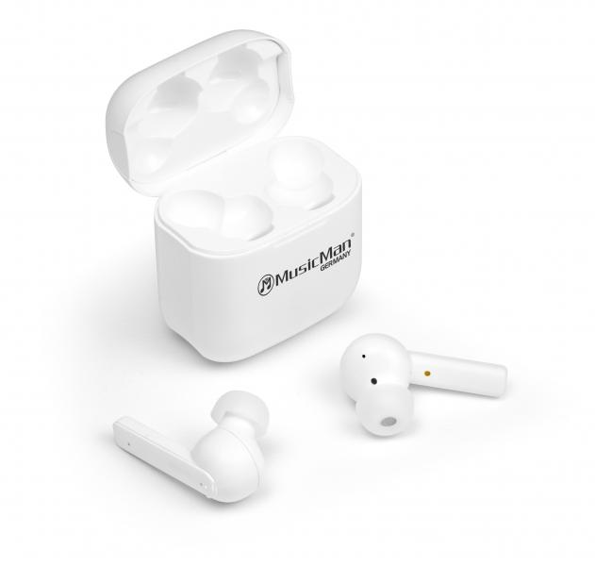
MusicMan ANC-TWS Bluetooth In-Ear Headphones BT-X52

Item number | 4871 |  | VE | 25
EAN | 4260358123943 |  | Pieces per pallet | 1200
Customs number | 85183000 |  | Layers per pallet | 12

Dimensions - item
Length(cm) | Width(cm) | Height(cm) | Weight(g)
5 | 3 | 5.5 | 40

Dimensions - item packaging
Length(cm) | Width(cm) | Height(cm) | Tare(g) | Weight(g) product + packaging
10 | 5.7 | 12 | 60 | 130

Dimensions - VE box (master box)
Length(cm) | Width(cm) | Height(cm) | Weight(g)
52 | 28.5 | 14 | 3960

Packaging - components
Rest of accessories (g) | Paper / cardboard (g) | Styrofoam (g) | Plastic hollow body(g) | Plastic. foils(g) | Composite materials (g)
8 | 19 | 8 | 0 | 3 | 0

Battery / accumulator informations
Battery needed | Battery included | Type of battery | Battery system(typus)
Yes | Yes | Akku | LiPoly - Lithium-Polymer-Akku
Quantity(piece) | Weight per piece.(g) | Energy density(WH/Kg) | Power (WH)
3 | 20 | 0 | 0

Lithium battery
Energy content | Weight (Kg)
0.056 | 60

Further informations
Technaxx reseller portal

