Worksheet
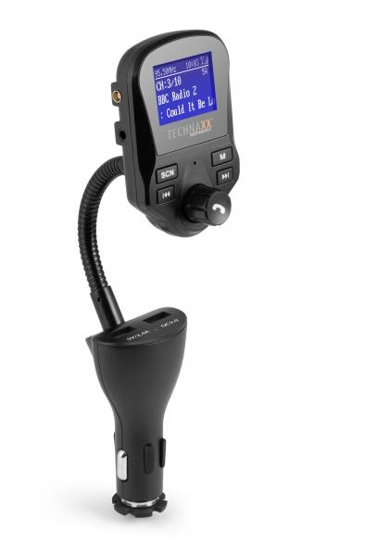
Technaxx FM DAB+ Transmitter FMT1500BT

Item number | 4870 |  | VE | 60
EAN | 4260358124315 |  | Pieces per pallet | 480
Customs number | 85271300 |  | Layers per pallet | 4
UPC | 0
Dimensions - item
Length(inch) | Width(inch) | Height(inch) | Weight(oz)
8.66 | 1.97 | 1.38 | 3,53

Dimensions - item packaging
Length(inch) | Width(inch) | Height(inch) | Tare(oz) | Weight(oz) product + packaging
4.61 | 2.09 | 9.49 | 1,87 | 8,82

Dimensions - VE box (master box)
Length(inch) | Width(inch) | Height(inch) | Weight(oz)
21.85 | 20.67 | 14.96 | 571,44

Packaging - components
Rest of accessories (oz) | Paper / cardboard (oz) | Styrofoam (oz) | Plastic hollow body(oz) | Plastic. foils(oz) | Composite materials (oz)
1,76 | 0,46 | 0,00 | 1,09 | 0,07 | 0,00

Further informations
Technaxx reseller portal

